In put sheet test
 | Padiham Greenway

 | Scheme Data |  |  |  |  |  |  |  |  |  |  | Only change Red text
 | Pavement Options | Scheme Material/Tonnage |  |  |  |  |  |  | Total Tonnage
 |  | 10mm CGSC | 6mm SMA | AC20 DBM Binder | AC32 DBM/HDM Base | Foamix/Foamix Eco to site (t) | Planings to plant (t) | TAR Planings to tip (t)
 | WMA | 204 | 0 | 336 | 0 | 0 | 0 | 261 | 540
 | Foamix + WMA | 204 | 0 | 0 | 0 | 307 | 261 | 0 | 511
 | Foamix ECO + SuperLow | 204 | 0 | 0 | 0 | 307 | 261 | 0 | 511
 | Mileage To Site (one way) | 49 | 0 | 49 | 0 | 3 | 3 | 49
 | Journey kgCO2e/mile | 0.146 | 0.14589 | 0.146 | 0.146 | 0.146 | 0.146 | 0.146

Scheme Carbon
Material Type | Carbon Measure | 10mm CGSC | 6mm SMA | AC20 DBM Binder | AC32 DBM/HDM Base | Foamix/Foamix Eco to site (t) | Planings to plant (t) | TAR Planings to tip (t) | Total (kgco2e/t) | kgco2e/t | Carbon Module | Product Stage
WMA | kg/CO2/t | 61.85 | 0.00 | 48.78 | 0.00 | 0.00 | 0.00 | 0.00 |  |  | A1 | Raw material extraction
Foamix + WMA | kg/CO2/t | 60.44 | 0.00 | 47.51 | 0.00 | 37.19 | 0.00 | 0.00 |  |  | A1
Foamix ECO + SuperLow | kg/CO2/t | 60.44 | 0.00 | 47.51 | -0.48 | -0.48 | 0.00 | 0.00 |  |  | A1
WMA | Total kgCO2e | 0.00 | 0.00 | 0.00 | 0.00 | 0.00 | 0.00 | 0.00 | 0 | 0.00 | A2 | Raw Materials transport to manufacturing plant
Foamix + WMA | Total kgCO2e | 0.00 | 0.00 | 0.00 | 0.00 | 134.47 | 114.30 | 0.00 | 249 | 0.49 | A2
Foamix ECO + SuperLow | Total kgCO2e | 0.00 | 0.00 | 0.00 | 0.00 | 134.47 | 114.32 | 0.00 | 249 | 0.49 | A2
WMA | Total kgCO2e | 12617.40 | 0.00 | 16390.08 | 0.00 | 0.00 | 0.00 | 0.00 | 29,007 | 53.72 | A1-A3 | Manufacturing
Foamix + WMA | Total kgCO2e | 12329.76 | 0.00 | 0.00 | 0.00 | 11416.17 | 0.00 | 0.00 | 23,746 | 46.47 | A1-A3
Foamix ECO + SuperLow | Total kgCO2e | 12329.76 | 0.00 | 0.00 | 0.00 | -148.53 | 0.00 | 0.00 | 12,181 | 23.84 | A1-A3
WMA | Total kgCO2e | 1459.42 | 0.00 | 2403.74 | 0.00 | 0.00 | 0.00 | 1867.19 | 5,730 | 10.61 | A4 | Product transport to laying site
Foamix + WMA | Total kgCO2e | 1459.42 | 0.00 | 0.00 | 0.00 | 134.47 | 114.30 | 0.00 | 1,708 | 3.34 | A4
Foamix ECO + SuperLow | Total kgCO2e | 1459.42 | 0.00 | 0.00 | 0.00 | 134.47 | 114.32 | 0.00 | 1,708 | 2.86 | A4
WMA | Total kgCO2e | 1050.60 | 0.00 | 1730.40 | 0.00 | 0.00 | 0.00 | 0.00 | 2,781 | 5.15 | A5 | Installation
Foamix + WMA | Total kgCO2e | 1050.60 | 0.00 | 0.00 | 0.00 | 1581.05 | 0.00 | 0.00 | 2,632 | 5.15 | A5
Foamix ECO + SuperLow | Total kgCO2e | 1050.60 | 0.00 | 0.00 | 0.00 | 1581.05 | 0.00 | 0.00 | 2,632 | 5.15 | A5

 |  |  | Pavement Option | A1-A3 Carbon | A4 | A5 | A1-A5
 |  |  | WMA | 29,007 | 5,730 | 2,781 | 37,519
 |  |  | Foamix + WMA | 23,995 | 1,708 | 2,632 | 28,335
 |  |  | Foamix ECO + SuperLow | 12,430 | 1,708 | 2,632 | 16,770

 |  |  |  |  |  | Used ASPECT A5 AVERAGE VALUE

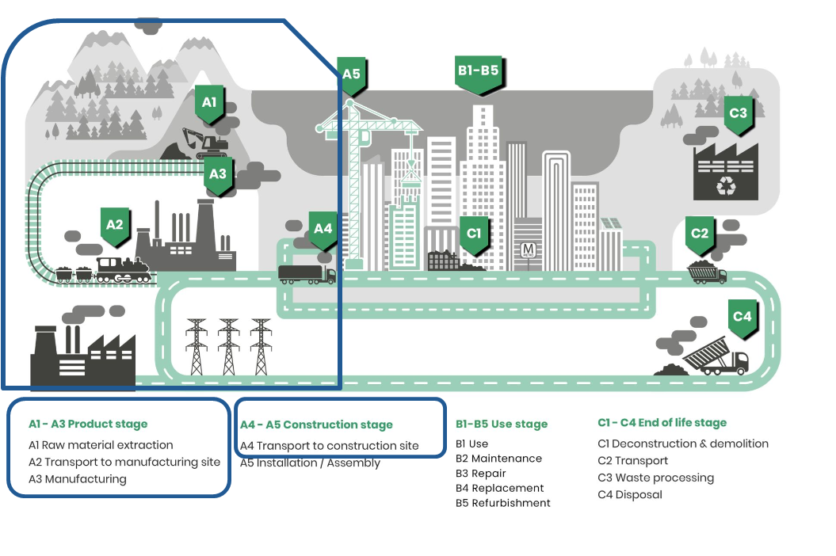
HMA Blend (total kgco2e/t) = (A1 to A3)
FoamixECO+SL Blend (total kgco2e/t) = (A1 to A3)

HMA Blend (kgco2e/t) =
Foaminess's Blend (kgco2e/t) =
HMA Blend (kgco2e/t) =
FoamixECO+SL Blend (kgco2e/t)

HMA Blend (kgco2e/t) =
Foamix+WMA Blend (kgco2e/t) =

 |  |  |  | Reply

Foamix Calculations
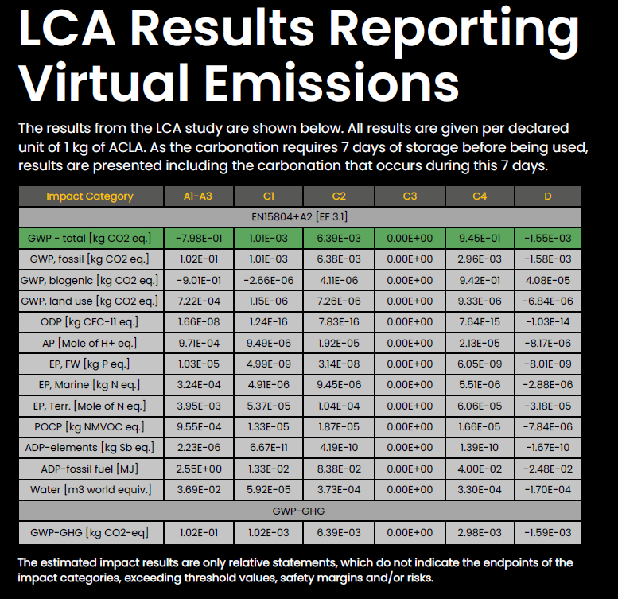
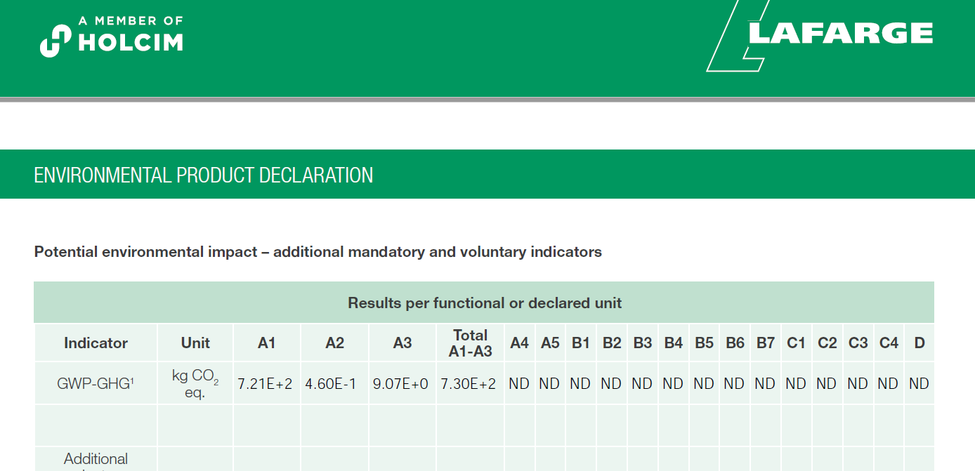
Foamix. A1-A3 |  |  |  |  |  | Foamix ECO. A1-A3 |  |  |  |  |  | Foamix ECO. A1-A3

Material/plant | Carbon kgco2e/t | Quantity/Blend | Carbon kgco2e/t | Scope | Working instruction weights | Material/plant | Carbon kgco2e/t | Quantity/Blend | Carbon kgco2e/t | Scope | Working instruction weights | Material/plant | Carbon kgco2e/t | Quantity/Blend | Carbon kgco2e/t | Scope
Planings (RA) | 0.00 | 83% | 0.00 | A1. Raw Materials | 1780 | Planings (RA) (NMC 4.5%) | 0.00 | 81% | 0.00 | A1. Raw Materials | 1742 | Planings (RA) | 0.00 | 79% | 0.00 | A1. Raw Materials
Bio Bitumen | 530 | 3% | 15.90 |  | 64 | Bio Bitumen | 530 | 3% | 15.90 |  | 65 | Bio Bitumen | 514 | 3% | 15.42
PFA | 2.09 | 6.5% | 0.136 |  | 139 | PFA | 2.09 | 7% | 0.146 |  | 151 | PFA | 2.09 | 6.5% | 0.136
CEM I | 730 | 1% | 7.30 |  | 21 | CEM I | 730 | 1% | 7.30 |  | 22 | CEM I | 730 | 1% | 7.30
Water | 0.24800 | 6% | 0.01 |  | 129 | Water (Added MC 2.5%) | 0.24800 | 6% | 0.01 |  | 129 | Water | 0.24800 | 6% | 0.01
ACLA | -798.00 | 0% | 0.00 |  | 0 | ACLA | -798.00 | 0% | 0.00 |  | 0 | ACLA | -798.00 | 5.5% | -43.89
Bio-Fill 80% Biochar/20% Lignin (E20) | -1910.00 | 0.0% | 0.00 |  | 0 | Bio-Fill 80% Biochar/20% Lignin (E20) | -1900.00 | 2.0% | -38.00 |  | 43 | Bio-Fill 80% Biochar/20% Lignin (E20) | -1900.00 | 0.0% | 0.00
Total |  | 100% | 23.35 |  | 2133 | Total |  | 100% | -14.64 |  | 2150 | Total |  | 101% | -21.02
 |  |  |  |  | 2144 |  |  |  |  |  | 2150
Material | Mileage (km) | kgCO2e/t.km | Carbon kgco2e/t | Scope | Supplying Source | Material | Mileage (km) | kgCO2e/t.km | Carbon kgco2e/t | Scope | Supplying Source | Material | Mileage (m) | kgCO2e/t/mile | Carbon kgco2e/t | Scope | Supplying Source
Planings Delivery | 0 | 0.10000 | 0.00 | A2. Raw Material Delivery to plant | Planing haulage to plant allowed for in main calcs | Planings Delivery | 0 | 0.10000 | 0.00 | A2. Raw Material Delivery to plant |  | Planings Delivery | 0 | 0.10000 | 0.00 | A2. Raw Material Delivery to plant | Planing haulage to plant allowed for in main calcs
Bitumen Delivery | 332 | 0.10000 | 1.00 |  | Ellesmere port | Bitumen Delivery | 332 | 0.10000 | 1.00 |  | Ellesmere port | Bitumen Delivery | 332 | 0.10000 | 1.00 |  | Ellesmere port
PFA Delivery | 227 | 0.10000 | 1.48 |  | Fiddlers Ferry | PFA Delivery | 227 | 0.10000 | 1.59 |  | Fiddlers Ferry | PFA Delivery | 227 | 0.10000 | 1.48 |  | Fiddlers Ferry
Cement Delivery | 264 | 0.10000 | 0.26 |  | Caludon Low | Cement Delivery | 264 | 0.10000 | 0.26 |  | Caludon Low | Cement Delivery | 264 | 0.10000 | 0.26 |  | Caludon Low
Water Delivery | 0 | 0.10000 | 0.00 |  | Site | Water Delivery | 0 | 0.10000 | 0.00 |  | Site | Water Delivery | 0 | 0.10000 | 0.00 |  | Site
ACLA | 470 | 0.10000 | 0.00 |  | Leeds | ACLA | 470 | 0.10000 | 0.00 |  | Leeds | ACLA | 470 | 0.10000 | 2.59 |  | Leeds
Bio-Fill 80% Biochar/20% Lignin | 103 | 0.10000 | 0.00 |  | Durham | Bio-Fill 80% Biochar/20% Lignin | 103 | 0.10000 | 0.21 |  | Durham | Bio-Fill 80% Biochar/20% Lignin | 103 | 0.10000 | 0.00 |  | Durham
Total |  |  | 2.74 |  |  | Total |  |  | 3.06 |  |  | Total |  |  | 5.32

Material | Carbon kgco2e/t |  |  | Scope | Comments | Material | Carbon kgco2e/t |  |  | Scope | Comments | Material | Carbon kgco2e/t |  |  | Scope | Comments
Plant | 11.10 |  |  | A3 Manufacture | Needs updating, data from OCL & Sitebatch | Plant | 11.10 |  |  | A3 Manufacture | Needs updating, data from OCL & Sitebatch | Plant | 11.10 |  |  | A3 Manufacture | Needs updating, data from OCL & Sitebatch

 |  |  |  |  |  |  |  |  |  |  | 96.75
Overall Carbon. A1-A3 (kgco2e/t) |  | 37.19 |  |  | 1742 | Overall Carbon. A1-A3 (kgco2e/t) |  | -0.48 |  |  | 32.3 | Overall Carbon. A1-A3 (kgco2e/t) |  | -4.60
 |  |  |  |  | 151
 |  | -38.55 |  |  | 42 |  |  | -5.15 |  |  |  |  |  | -2.06
miles to km |  |  |  |  | 22 | miles to km |  |  |  |  |  | miles to km
304 | 489.136 |  |  |  | 65 | 304 | 489.136 |  |  |  |  | 177 | 284.793
 |  |  |  |  | 129

ASPECT V5

National Highways V2.7

Summary Graphs
 | Data for Graphs

 | Project Carbon | Pavement
Padiham Greenway | WMA | 38
Carbon Estimation | Foamix + WMA | 28
A1-A5 Carbon Emissions. Total tCO2e
 | Foamix ECO + SuperLow | 17

 | Carbon Module | WMA | Foamix + WMA | Foamix ECO + SuperLow
 | A1-A3 | 29.01 | 23.99 | 12.43
 | A2 |  | 0.00 | 0.00
 | A4 | 5.73 | 1.71 | 1.71
 | A5 | 2.78 | 2.63 | 2.63

 | Other savings
 | Vehicle mileage savings WMA | 2,181
 | Vehicle mileage savings F+WMA | 650
 | Vehicle mileage savings Foamix+SL | 650
 | Vehicle mileage savings (miles) | 1,531
A1 to A5 Scheme Carbon Module Comparison tco2e
 | WMA | Foamix + WMA | Foamix ECO + SuperLow
A1-A3 | 29.01 | 23.99 | 12.43
A4 | 5.73 | 1.71 | 1.71
A5 | 2.78 | 2.63 | 2.63
 | Recycled content (t) | 281
 | Recycled content (%) | 52.1%
 | Total Carbon Savings %
 | Scheme Co2 Saving (t) | 21


12,430kgco2e

Foamix ECO + SuperLow Enviromental Savings
 | Other savings
Vehicle mileage savings (miles) | 1,531
Recycled content (t) | 281
Scheme Co2 Saving (t) | 21
29,007kgco2e
23,995kgco2e

It is the sole responsibility of the certificate holder to ensure the validity and current status of all information herein

